Sheet1
Camin | Last name | First name | Home institution | City, Country | Nights | Accommodation (euro) | Welocme Party (euro) | Bye Bye Party (euro) | Sunday Trip (euro) | Parliament & tour | Lunch (euro) | TOTAL (euro) | Curs | Code | Vegetarian
P12 | BAPTIST | Ruben | KATHOLIEKE UNIVERSITEIT LEUVEN | Leuven, Belgium | 8 | 64 | 20 | 25 | 57 | 13 | 0 | 179 | Regenerative energy systems | UPB4

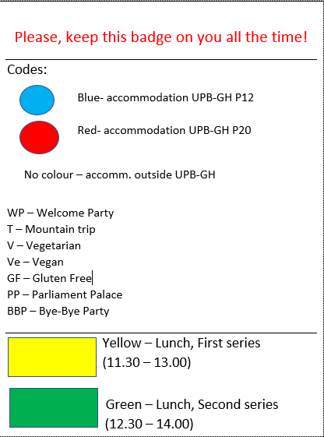
 |  |  |  |  |  |  |  |  |  |  |  |  |  |  |  | serie pranz
 |  |  |  |  |  |  |  |  |  |  |  |  |  |  |  | 1

 |  |  |  |  |  |  |  |  |  |  |  |  |  |  |  |  |  |  | P12

 |  |  |  |  |  |  |  |  |  |  |  |  |  |  |  |  | Ruben, BAPTIST

 |  |  |  |  |  |  |  |  |  |  |  |  |  |  |  |  | KATHOLIEKE UNIVERSITEIT LEUVEN, Leuven, Belgium

 |  |  |  |  |  |  |  |  |  |  |  |  |  |  |  |  | UPB4

 |  |  |  |  |  |  |  |  |  |  |  |  |  |  |  |  | Regenerative energy systems

 |  |  |  |  |  |  |  |  |  |  |  |  |  |  |  |  | WP | T |  | PP | BBP

P12 | ALBURQUERQUE HERNANDEZ | Alberto | UNIVERSIDAD POLITÉCNICA DE MADRID | Madrid, Spain | 9 | 72 | 20 | 25 | 57 | 13 | 40 | 227 | Regenerative energy systems | UPB4
P12 | ALBURQUERQUE HERNANDEZ | Francisco José | UNIVERSIDAD POLITÉCNICA DE MADRID | Madrid, Spain | 9 | 72 | 20 | 25 | 57 | 13 | 40 | 227 | Regenerative energy systems | UPB4
P12 | BAPTIST | ruben | KATHOLIEKE UNIVERSITEIT LEUVEN | Leuven, Belgium | 8 | 64 | 20 | 25 | 57 | 13 | 0 | 179 | Regenerative energy systems | UPB4

